Cave Information
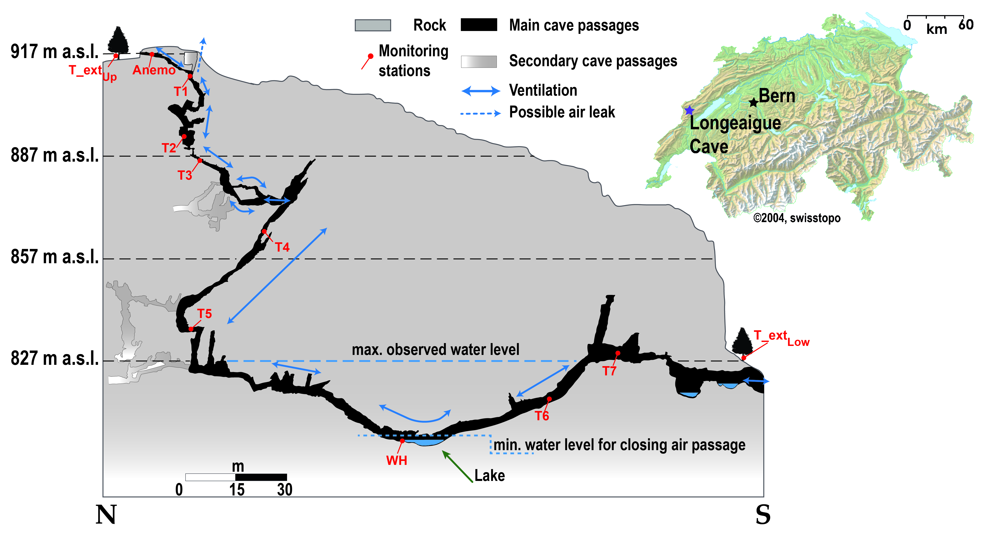

The “Baume de Longeaigue” (Longeaigue Cave) opens in the Swiss Jura Mountains (Val-de-Travers; Upper entrance: 46°52′22″ N 6°31′09″ E, 917 m a.s.l.; Lower entrance: 46°52′18″ N 6°31′09″ E, 820 m a.s.l.).

